Sheet1
1 |  | 0.9


4 |  | 0.5


5 |  | 1


6 |  | 1


7 |  | 0.5

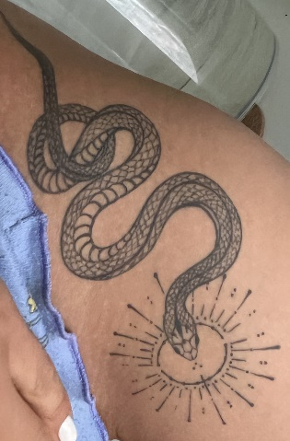

8 |  | 0.3

9 | 1

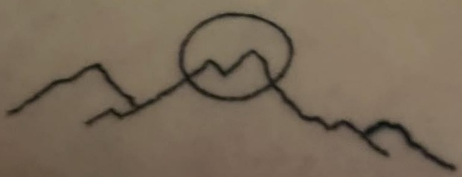
10 |  | 1

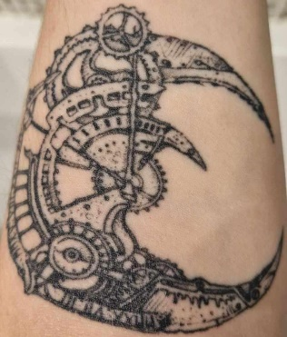
11 |  | 1


 |  | 0.6


13 |  | 0.8

14 |  | 0.9


15 |  | 1

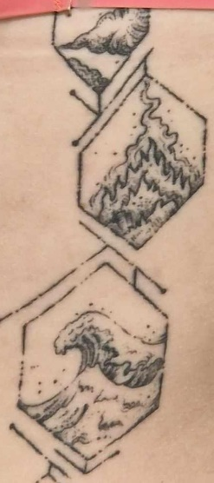
16 |  | 0.8


17 |  | 1

18 |  | 0.4


19 |  | 0.7


21 |  | 1


22 |  | 0.8


24 |  | 0.8


25 |  | 1

27 |  | 1

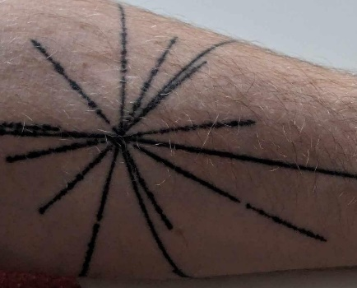
30 |  | 1


31 |  | 0.9


32 |  | 1


35 |  |  | 1


36 |  |  | 1


37 |  |  | 0.7


38 |  |  | 1


39 |  |  | 1


40 |  |  | 1


42 |  |  | 0.8


43 |  |  | 0.7


2 |  |  | 0.9


93 |  |  | 0.8

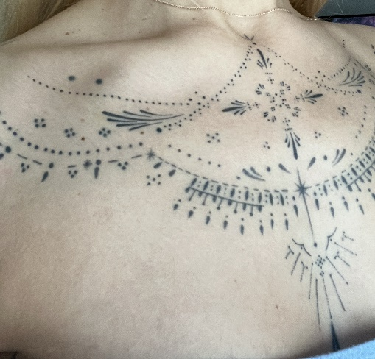
95 |  |  | 0.9


96 |  |  | 0.8



97 |  |  | 0.9


98 |  |  | 1

